Cover
BUDGET TEMPLATE FOR HIGH THROUGH-PUT COVID-19 VACCINATION SITES
Template to budget for the set-up and/or operation of high through-put sites for COVID-19 vaccination

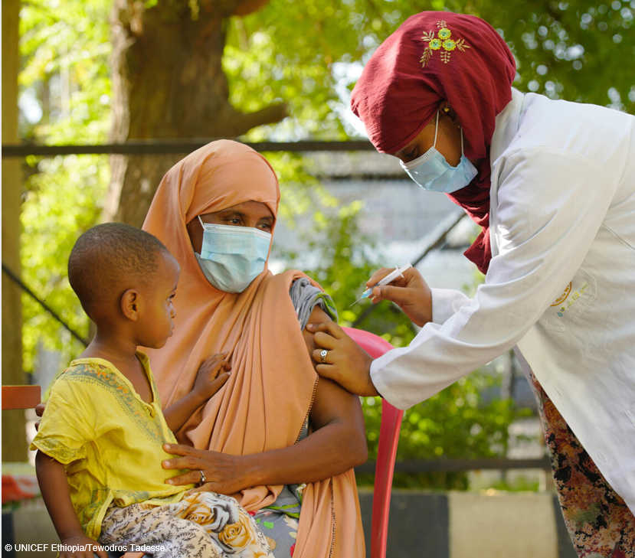

Version | 1.1
Released On | 2022.02.21
Developed By | Ulla Griffiths, UNICEF, New York and Kelsey Vaughan, UNICEF (Consultant)
View
Contact | ugriffiths@unicef.org, kvaughan@unicef.org

